Dala Sales & Deliveries
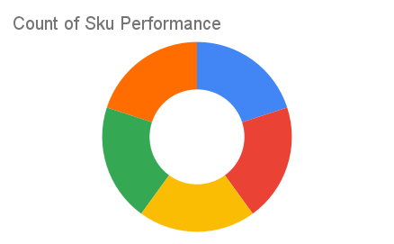
 |  |  |  |  |  | Total Invoices Delivered | 3.00 | Sku Performance | Units | Value
 |  |  |  |  |  | Unique Locations Supplied | 3.00 | 350ml Orisirisi Wallnut with Ginger Drink (12x) | 2.00 | 43,200.00
 |  |  |  |  |  | Total Value of orders | 142,800.00 | 500ml Orisirisi Tiger Nut Drink (12x) | 1.00 | 27,600.00
 |  |  |  |  |  |  |  | 500ml Orisirisi Zobo with Date Drink (12x) | 2.00 | 48,000.00
 |  |  |  |  |  |  |  | 350ml Orisirisi Wallnut Drink (12x) | 0.00 | 0.00
 |  |  |  |  |  |  |  | 500ml Orisirisi Zobo Drink (12x) | 1.00 | 24,000.00
 |  |  |  |  |  |  |  |  | 0.00 | 0.00
 |  |  |  |  |  |  |  |  | 0.00 | 0.00
 |  |  |  |  |  |  |  |  | 0.00 | 0.00
 |  |  |  |  |  |  |  |  | 0.00 | 0.00
 |  |  |  |  |  |  |  |  | 0.00 | 0.00
 |  |  |  |  |  |  |  |  | 0.00 | 0.00
 |  |  |  |  |  |  |  |  | 0.00 | 0.00
Date | Vch No. | Particulars | item name | Quantity | Value

2025-02-10 | DT:002756 | D'Emperor Superstore | 500ml Orisirisi Zobo with Date Drink (12x) | 1.00 | 24,000.00
2025-03-10 | DT:002776 | Life Back Pharmacy & stores | 350ml Orisirisi Wallnut with Ginger Drink (12x) | 1.00 | 21,600.00
 |  |  | 500ml Orisirisi Tiger Nut Drink (12x) | 1.00 | 27,600.00
 | DT:002795 | Lady Ricky Catering Service/ Smooth and Sweet Swallow | 350ml Orisirisi Wallnut with Ginger Drink (12x) | 1.00 | 21,600.00
 |  |  | 500ml Orisirisi Zobo Drink (12x) | 1.00 | 24,000.00
 |  |  | 500ml Orisirisi Zobo with Date Drink (12x) | 1.00 | 24,000.00

